Master
 | t; fgUn |  |  | oUns ekrje~ |  |  |  | t; fgUn |  |  | 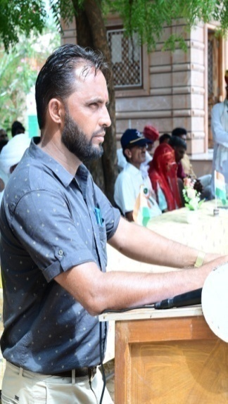

 | RESULT PREPARATION PROGRAM (SANSKRIT SCHOOL CLASS-9th)
 |  |  |  |  | Subject Detail |  | Staff Detail
 | SESSION | :- | 2023-24 |  | Sr. No. | Subject's Name | Sr. No. | Teacher's Name | Sr. No. | Teacher's Name
 |  |  |  |  | 1 | HINDI | 1 | GOPI KISHAN VISHNOI | 0
 | SCHOOL'S FULL NAME | :- | GOVT VARISHTHA UPADHYAY SANSKRIT SCHOOL |  | 2 | ENGLISH | 2 | JAGDISH CHANRA NATH | 0
 |  |  |  |  | 3 | SANSKRIT-I | 3 | RAKESH JANGIR | 0
 |  |  |  |  | 4 | SANSKRIT-II | 4 | OMPRAKASH | 0
 | ADDRESS | :- |  |  | 5 | SCIENCE | 5 | KHETA RAM | 0
 |  |  |  |  | 6 | MATHEMATICS | 6 | JITENDRA SINGH | 0 |  | DEVLOPED BY:-
 |  |  |  |  | 7 | SOCIAL SCIENCE | 7 | HANUMANA RAM | 0
 | U-DISE CODE | :- | 08170 |  | 8 | FOIT | 8 | JITENDRA SINGH | 0
 |  |  |  |  | 9 | Health & Phy. Edu. | 9 | KHETA RAM | 0 |  | UMMED TARAD
 | NAME OF PRINCIPAL | :- | JITENDRA SINGH |  | 10 | S.U.P.W. | 10 | GOPI KISHAN VISHNOI | 0
 |  |  |  |  | 11 | H & C RAJ | 11 | HANUMANA RAM | 0 |  | (GSSS RAIMALWADA)
 | SCHOOL TYPE | :- | Sr. Secondary |  | 0 |  | 0 |  | 0
 |  |  |  |  | 0 |  | 0 |  | 0
 | Result Date | :- | 2024-05-07 |  | 0 |  | 0 |  | 0 |  | EMAIL ID-ummedtrdedu@gmail.com
UPDATED ON:-06-04-2024

