For Help
For other States(NPS Deduction) Updated On 19-02-2023
 | ←:: सहायतार्थ बिंदु ::→ | आयकर गणना प्रपत्र देखें | 
 | 1- सबसे पहले Basic Data शीट में सफ़ेद सेल्स में कार्मिक से जुड़े विद्यालय,स्वयं कार्मिक तथा वेतन सम्बंधित विवरण फिल करें. यहाँ भत्ते तथा कटौतियों के विषय आप अपनी सुविधानुसार बदल सकते हो.
 | 2- Basic Data भरने के पश्चात Exemp.(HRA+Other) & Other income वाली शीट में HRA अतिरिक्त आय, कटौतियां आदि भरें. (हालाँकि नियमानुसार HRA की गणना स्वतः की हुई मिलेगी फिर भी आपसे जुड़े DDO के निर्देशानुसार इसे बदल भी सकते है.)
 | 3- Basic Data एंट्री के साथ ही आपको GA-55 तैयार मिलेगा जो कि पूर्णत: अनलॉक है आप Pay Man./Pri Pay Man. से निकाले ऑनलाइन GA-55 रिपोर्ट से भली भांति मिलान कर आवश्यकतानुसार बदलाव भी कर सकते हैं. | Form-16 देखें
 | 5- यदि गत वर्षों के बकाया वेतन का इस वर्ष आयकर की कटौती के साथ भुगतान किया गया है, तो आप आवश्यक फॉर्म-10E भी 10 E Us 89(1) शीट में तैयार कर धारा 89(1) के तहत प्राप्य छूट को आयकर गणना प्रपत्र, फॉर्म-16 में अंकित कर सकते हो. |  | Ummed Tarad
 | 4- उक्त कार्य पूर्ण करने के बाद आपके सामने कार्मिक से जुडी पुरानी तथा नई कर व्यवस्था (Old Tax Regime/New Tax Regime) के अनुसार आयकर गणना प्रपत्र, फॉर्म-16, HRA से जुडी आवश्यक रिसिप्ट तैयार है, प्रिंट ले सकते हैं. | HRA Receipt देखें | Teacher (GSSS Raimalwada, Jodhpur)
 | नोट :- हालाँकि इस प्रोग्राम को बनाते समय पूर्ण सावधानी के साथ तैयार किया गया है. मानवीय भूल सहज है. यदि किसी भी प्रकार की कोई समस्या, शंका तथा आपत्ति की स्थिति में आप अपने विवेक को प्रमुखता दें. |  | Mob.-9166973141 Email Id-ummedtrdedu@gmail.com

HRA Receipt
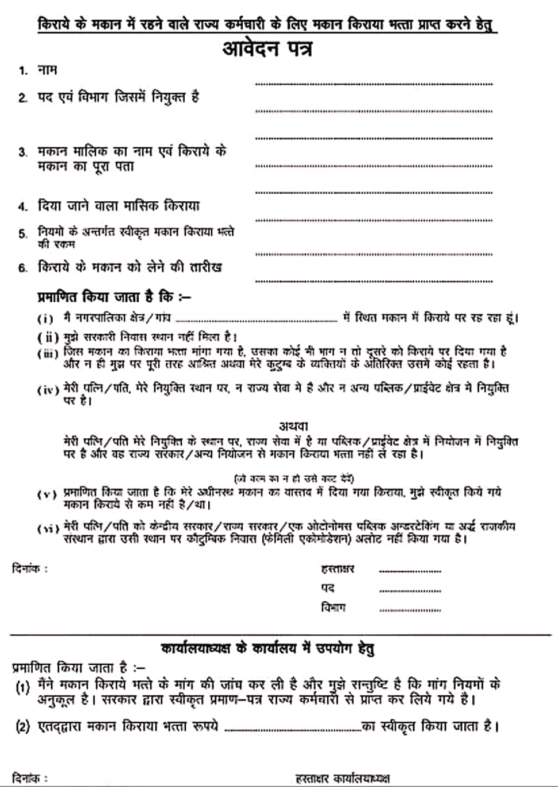
1 | RECEIPT OF HOUSE RENT |  |  |  |  |  |  |  | 2 | RECEIPT OF HOUSE RENT
(Under section 1 (13-A) of Income Tax Act) |  |  |  |  |  |  |  |  | (Under section 1 (13-A) of Income Tax Act)

 |  |  |  |  |  | Date :- |  |  |  |  |  |  |  |  | Date :-
 | I Owner | 0 |  |  |  |  |  |  |  | I Owner | 0
 |  | Received with Thanks from Sri/Smt. |  |  | SHAHID ALI |  |  | (Block Teacher) |  |  | Received with Thanks from Sri/Smt. |  |  | SHAHID ALI |  |  | (Block Teacher)
 | Address- | M.S. BASUDHAR |  |  |  |  |  |  |  | Address- | M.S. BASUDHAR
 | The sum of (Quarterly) |  |  | Rs. 15330 |  |  |  |  |  | The sum of (Quarterly) |  |  | Rs. 15330
 | Towards the House Rent (Monthly) @ |  |  | Rs. 5110 |  |  |  |  |  | Towards the House Rent (Monthly) @ |  |  | Rs. 5110
 | Per Month From :- |  | 1 April, 2022 To 30 June, 2022 |  |  |  |  |  |  | Per Month From :- |  | 1 July, 2022 To 30 Sep., 2022

 | Rs. = | 15330 |  |  |  |  |  |  |  | Rs. = | 15330

 | Date:- | 0 |  |  |  |  |  |  |  | Date:- | 0

 |  |  |  | (Signature of House Owner) |  |  |  |  |  |  |  |  | (Signature of House Owner)
 |  |  |  | (Affix Revenue Stamp of Rs.1/-) |  |  |  |  |  |  |  |  | (Affix Revenue Stamp of Rs.1/-)
 |  |  |  | Name- |  | 0 |  |  |  |  |  |  | Name- |  | 0
 |  |  |  | ADDRESS |  |  |  |  |  |  |  |  | ADDRESS
 |  |  |  | 0 |  |  |  |  |  |  |  |  | 0

 |  |  |  | PAN NUMBER |  |  | 0 |  |  |  |  |  | PAN NUMBER |  |  | 0

3 | RECEIPT OF HOUSE RENT |  |  |  |  |  |  |  | 4 | RECEIPT OF HOUSE RENT
(Under section 1 (13-A) of Income Tax Act) |  |  |  |  |  |  |  |  | (Under section 1 (13-A) of Income Tax Act)

 |  |  |  |  |  | Date :- |  |  |  |  |  |  |  |  | Date :-
 | I Owner | 0 |  |  |  |  |  |  |  | I Owner | 0
 |  | Received with Thanks from Sri/Smt. |  |  | SHAHID ALI |  |  | (Block Teacher) |  |  | Received with Thanks from Sri/Smt. |  |  | SHAHID ALI |  |  | (Block Teacher)
 | Address- | M.S. BASUDHAR |  |  |  |  |  |  |  | Address- | M.S. BASUDHAR
 | The sum of (Quarterly) |  |  | Rs. 15330 |  |  |  |  |  | The sum of (Quarterly) |  |  | Rs. 15330
 | Towards the House Rent (Monthly) @ |  |  | Rs. 5110 |  |  |  |  |  | Towards the House Rent (Monthly) @ |  |  | Rs. 5110
 | Per Month From :- |  | 1 Oct., 2022 To 31 Dec., 2022 |  |  |  |  |  |  | Per Month From :- |  | 1 Jan., 2023 To 31 March, 2023

 | Rs. = | 15330 |  |  |  |  |  |  |  | Rs. = | 15330

 | Date:- | 0 |  |  |  |  |  |  |  | Date:- | 0

 |  |  |  | (Signature of House Owner) |  |  |  |  |  |  |  |  | (Signature of House Owner)
 |  |  |  | (Affix Revenue Stamp of Rs.1/-) |  |  |  |  |  |  |  |  | (Affix Revenue Stamp of Rs.1/-)
 |  |  |  | Name- |  | 0 |  |  |  |  |  |  | Name- |  | 0
 |  |  |  | ADDRESS |  |  |  |  |  |  |  |  | ADDRESS
 |  |  |  | 0 |  |  |  |  |  |  |  |  | 0

 |  |  |  | PAN NUMBER |  |  | 0 |  |  |  |  |  | PAN NUMBER |  |  | 0

1 | RECEIPT OF HOUSE RENT |  |  |  |  |  |  |  | 2 | RECEIPT OF HOUSE RENT
(Under section 1 (13-A) of Income Tax Act) |  |  |  |  |  |  |  |  | (Under section 1 (13-A) of Income Tax Act)

 |  |  |  |  |  | Date :- |  |  |  |  |  |  |  |  | Date :-
 | I Owner | 0 |  |  |  |  |  |  |  | I Owner | 0
 |  | Received with Thanks from Sri/Smt. |  |  | SHAHID ALI |  |  | (Block Teacher) |  |  | Received with Thanks from Sri/Smt. |  |  | SHAHID ALI |  |  | (Block Teacher)
 | Address- | M.S. BASUDHAR |  |  |  |  |  |  |  | Address- | M.S. BASUDHAR
 | The sum of (Yearly) |  |  | Rs. 61320 |  |  |  |  |  | The sum of (Yearly) |  |  | Rs. 61320
 | Towards the House Rent (Monthly) @ |  |  | Rs. 5110 |  |  |  |  |  | Towards the House Rent (Monthly) @ |  |  | Rs. 5110
 | Per Month From :- |  | 1 April, 2022 To 31 March, 2023 |  |  |  |  |  |  | Per Month From :- |  | 1 April, 2022 To 31 March, 2023

 | Rs. = | 61320 |  |  |  |  |  |  |  | Rs. = | 61320

 | Date:- | 0 |  |  |  |  |  |  |  | Date:- | 0

 |  |  |  | (Signature of House Owner) |  |  |  |  |  |  |  |  | (Signature of House Owner)
 |  |  |  | (Affix Revenue Stamp of Rs.1/-) |  |  |  |  |  |  |  |  | (Affix Revenue Stamp of Rs.1/-)
 |  |  |  | Name- |  | 0 |  |  |  |  |  |  | Name- |  | 0
 |  |  |  | ADDRESS |  |  |  |  |  |  |  |  | ADDRESS
 |  |  |  | 0 |  |  |  |  |  |  |  |  | 0

 |  |  |  | PAN NUMBER |  |  | 0 |  |  |  |  |  | PAN NUMBER |  |  | 0

