Help
 | For Help |  | Programer
 | माध्यमिक शिक्षा बोर्ड राजस्थान, बीकानेर द्वारा जारी विवरणिका/निर्देशानुसार सभी प्रकार के विद्यालय (निजी/सरकारी) के कक्षा 10 में अध्ययनरत विद्यार्थियों के सत्र 2022-23 के आगामी चरण के लिए भेजे जाने वाले सत्रांक की गणना हेतु इस प्रोग्राम को तैयार किया गया है जिसमें आप केवल ""Marks Entry"" शीट में ही आवश्यक पूर्तियां करें. सर्वप्रथम सबसे उपर पीले रंग के सेल्स में विद्यालय से सम्बंधित विवरण तथा फिर इसके निचे विद्यार्थियों के सम्बन्ध में विवरण भरें तत्पश्चात आगे उचित विषय का चयन कर उस विषयाध्यापक का नाम लिखें इसके पश्चात इन विषयों के निचे सम्बंधित परख/परीक्षा/गतिविधि वाले कॉलम में अंक भरें. तत्पश्चात आगामी शीट्स में आवश्यक प्रिंट प्राप्त करें. |  | 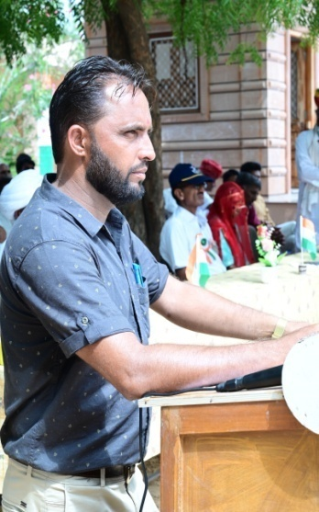
 | For Help watch the video my Youtube Channel Link
 | https://youtu.be/Rf17zcx11PI
 | OR search the youtube channel "Learn with ummed tarad"
 | For my latest and updated usefull program visit links given bellow
 | https://rajteachers.net/ummed-tarad-excel-software | https://rajsevak.com/ummed-tarad-excel-software/ | UMMED TARAD
 | https://shalaweb.com/ummed-tarad/ | https://studywithrsm.com/ummed-tarad-excel-programmer-teacher/
 | https://www.ashwinisharma.com/p/ummed-tarad-excel-programs.html | https://shalasugam.com/mr-ummed-tarad-excel-software/ | (GSSS RAIMALWADA, JODHPUR)
 | नोट:-हालाँकि यह प्रोग्राम पूर्णतया सावधानी के साथ बनाया गया है फिर भी किसी त्रुटि की स्थिति में आपके विवेक के साथ विभागीय नियम ही अंतिम रूप से मान्य होंगे, इसे अंतिम रूप देने से पहले अच्छी तरह से अवश्य जाँच लेवें |  | MOBILE NO.-9166973141
LAST UPDATE ON:-12-03-2023

